Sheet1
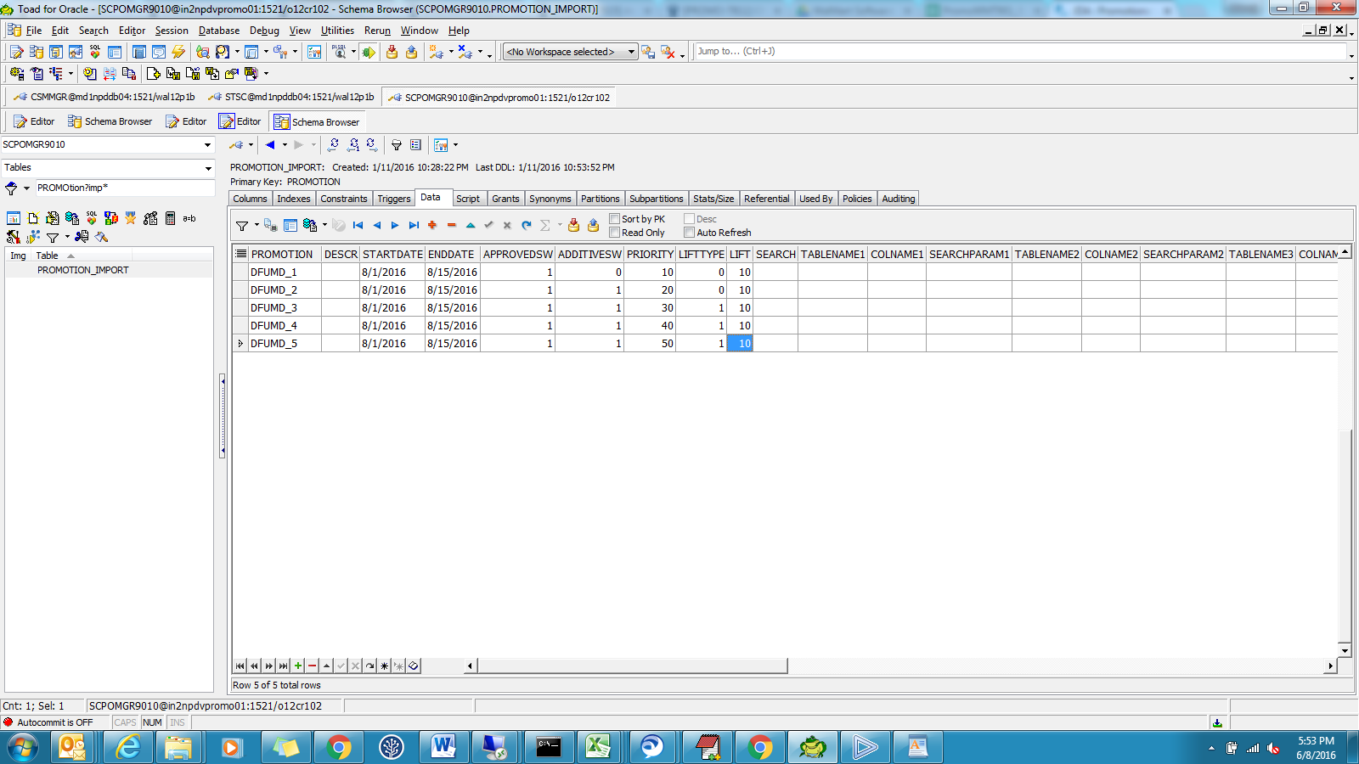
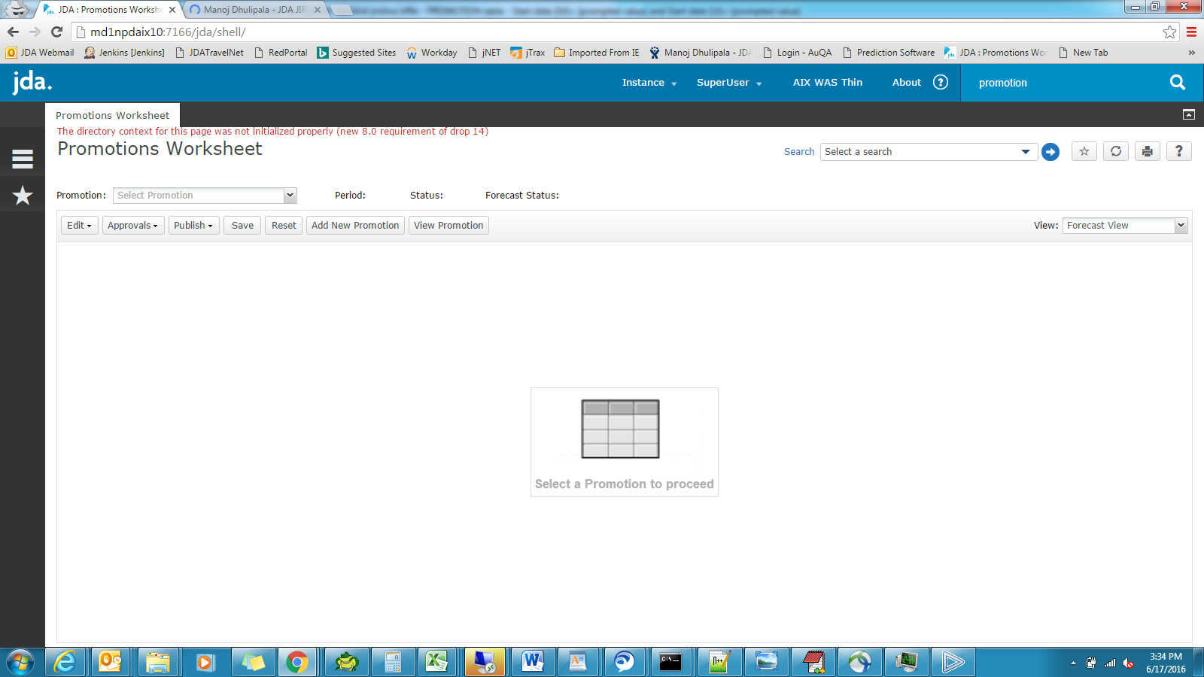

Sheet3
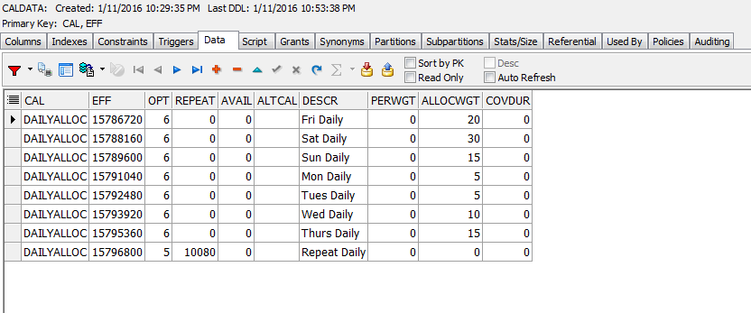
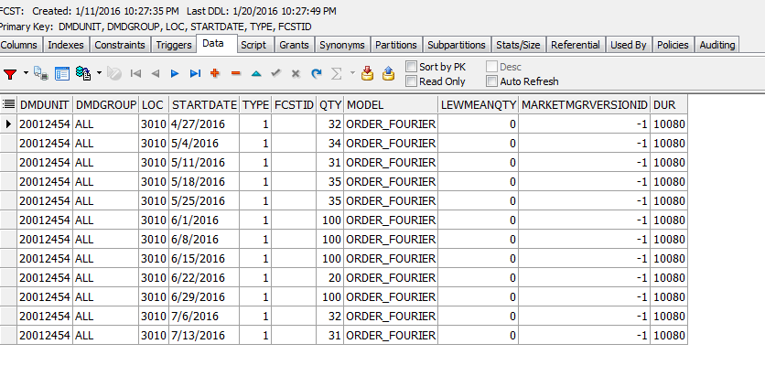
 |  | Qty
2016-06-22 | P1 | 2
2016-06-23 |  | 3
2016-06-24 | P2 | 4
2016-06-25 |  | 6
2016-06-26 |  | 3
2016-06-27 |  | 1
2016-06-28 |  | 1
2016-06-29 | P3 | 10
2016-06-30 |  | 15
2016-07-01 |  | 20
 |  | 65 | total Base units

